Application
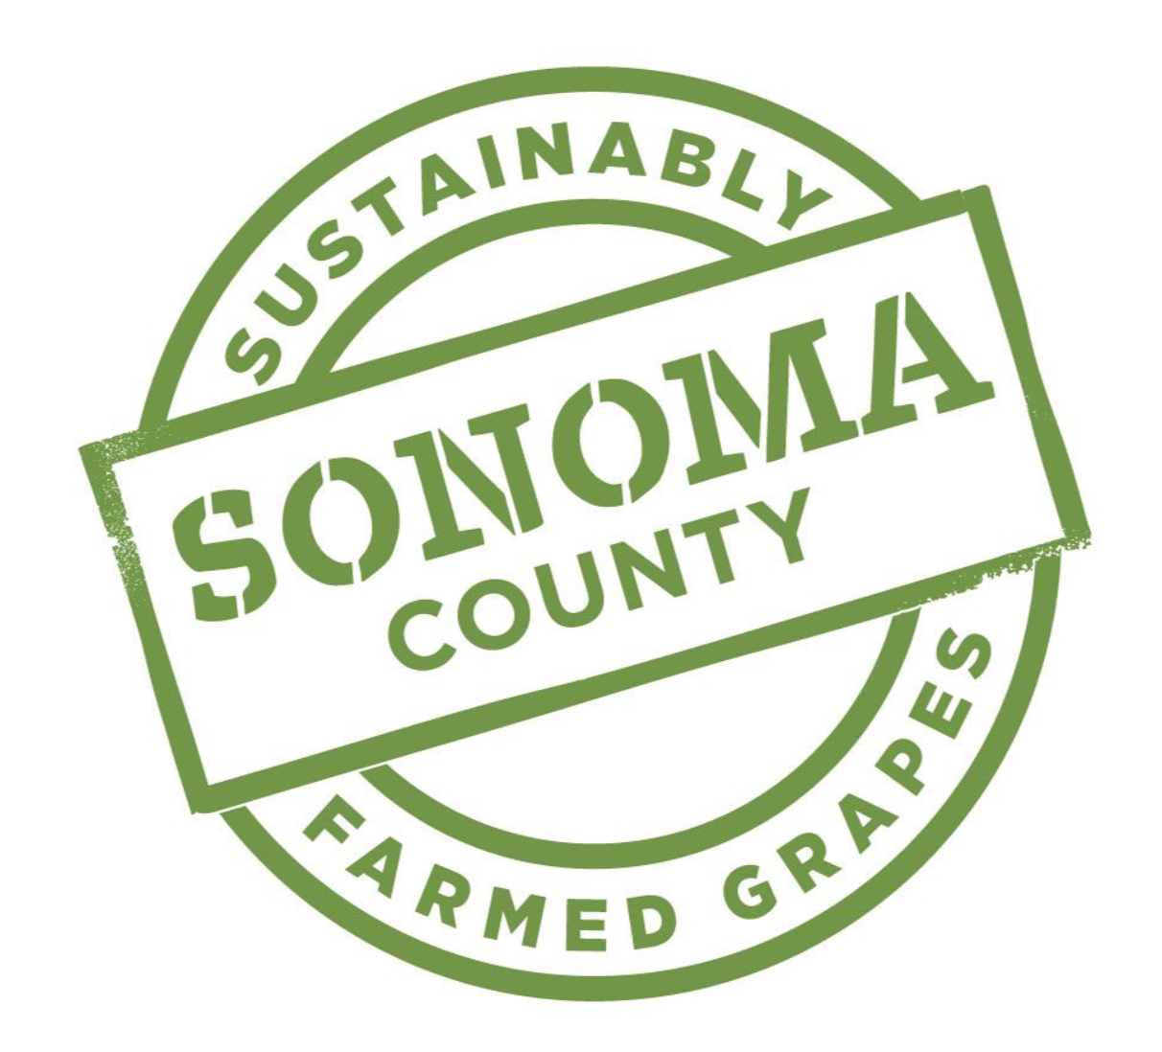
 | Wine Brand Application:
 | Sonoma County
 | Sustainability Label

Overview
Wine Brands who make wine that is sourced from Sonoma County grapes which are certified sustainable, may be eligible to use the label on wine bottles. Sonoma County Grapes must be certified sustainable under at least one of the following four accepted sustainability programs.

* Certified Sustainable (CSWA) | * Sustainability in Practice (SIP)
* Fish Friendly Farming (FFF) | * Lodi Rules

Eligibility |  |  | Yes | No

Will 85% of the grapes in each bottle bearing the Sonoma County Sustainablility label be sourced from Sonoma County?
Will 85% of the grapes in each bottle bearing the Sonoma County Sustainablility label come from vineyards actively certified sustainable within the last two years to one of the four accepted programs?
Can you provide documentation of tracking certified sustainable grapes from crush, through storage and up to bottling?
Are you willing and able to comply with SCW's logo requirements and guidelines?
Do you have a designated staff member(s) who will manage the chain of custody audit?

Wine Brand Information
Date of Application
Name of Wine Brand
Mailing Address
City / State / Zip

Bonded Winery Number |  | Annual Case Production

Person Responsible for Application |  | Title:
Phone Number |  | Email:

Requirements
* Please provide a current sustainability certificate for each vineyard
* Please provide a blend report for each wine
* Applications must be sumbitted annually for any future vintage to be allowed usage of the logo

